HeatMap
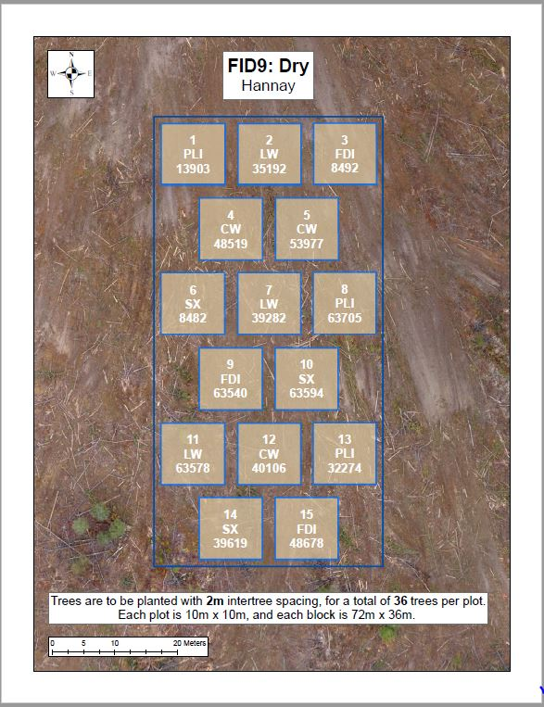
Good | Fair | Good | Good | Good | Good | Fair | Fair | Good | Fair | Good | Fair | Good | Fair | Fair | Fair | Good | Fair
Fair | Good | Good | Good | Good | Good | Fair | Fair | Fair | Poor | Good | Good | Poor | Fair | Fair | Poor | Fair | Missing
Good | Good | Good | Good | Good | Good | Fair | Dead | Poor | Fair | Good | Poor | Fair | Poor | Poor | Fair | Fair | Fair
Good | Good | Good | Good | Good | Good | Good | Fair | Good | Good | Fair | Fair | Good | Good | Good | Fair | Good | Poor
Poor | Good | Good | Good | Fair | Good | Good | Good | Good | Good | Fair | Fair | Good | Fair | Good | Good | Fair | Good
Good | Good | Good | Good | Poor | Good | Poor | Good | Good | Good | Good | Poor | Poor | Poor | Fair | Fair | Fair | Poor
 |  |  | Good | Fair | Fair | Fair | Good | Good | Good | Good | Good | Fair | Good | Poor
 |  |  | Fair | Poor | Poor | Fair | Fair | Good | Good | Good | Good | Good | Good | Poor
 |  |  | Poor | Poor | Fair | Fair | Good | Good | Fair | Fair | Fair | Fair | Poor | Moribund
 |  |  | Fair | Good | Fair | Good | Good | Good | Fair | Good | Fair | Moribund | Poor | Poor
 |  |  | Fair | Good | Good | Fair | Fair | Fair | Fair | Poor | Fair | Poor | Moribund | Fair
 |  |  | Good | Fair | Good | Good | Fair | Fair | Fair | Good | Poor | Fair | Poor | Good
Fair | Good | Good | Good | Good | Fair | Dead | Fair | Poor | Good | Fair | Poor | Good | Good | Fair | Good | Good | Good
Good | Good | Fair | Good | Fair | Good | Fair | Poor | Poor | Poor | Good | Fair | Good | Good | Good | Good | Good | Good
Good | Poor | Good | Fair | Fair | Good | Fair | Poor | Poor | Good | Good | Fair | Good | Good | Good | Fair | Good | Missing
Fair | Good | Fair | Good | Good | Good | Poor | Good | Good | Fair | Poor | Fair | Fair | Good | Good | Good | Good | Missing
Good | Good | Fair | Good | Good | Good | Good | Good | Good | Fair | Poor | Poor | Good | Good | Good | Good | Good | Good
Good | Good | Fair | Fair | Good | Good | Dead | Fair | Fair | Fair | Poor | Good | Poor | Good | Good | Good | Good | Good
 |  |  | Fair | Poor | Fair | Poor | Fair | Fair | Good | Good | Good | Good | Poor | Good
 |  |  | Fair | Fair | Fair | Fair | Fair | Fair | Fair | Good | Good | Good | Good | Good
 |  |  | Poor | Poor | Fair | Poor | Poor | Poor | Good | Good | Good | Good | Good | Good
 |  |  | Fair | Fair | Fair | Fair | Fair | Poor | Good | Good | Fair | Good | Good | Good
 |  |  | Good | Fair | Fair | Poor | Poor | Poor | Good | Good | Good | Good | Good | Good
 |  |  | Poor | Poor | Poor | Poor | Fair | Fair | Fair | Good | Good | Good | Good | Good
Fair | Fair | Poor | Fair | Fair | Fair | Good | Poor | Poor | Fair | Good | Fair | Fair | Good | Good | Good | Good | Good
Good | Poor | Good | Poor | Good | Good | Fair | Good | Good | Good | Fair | Fair | Good | Good | Good | Good | Good | Good
Fair | Fair | Poor | Fair | Fair | Good | Good | Good | Good | Good | Good | Poor | Good | Good | Fair | Good | Fair | Fair
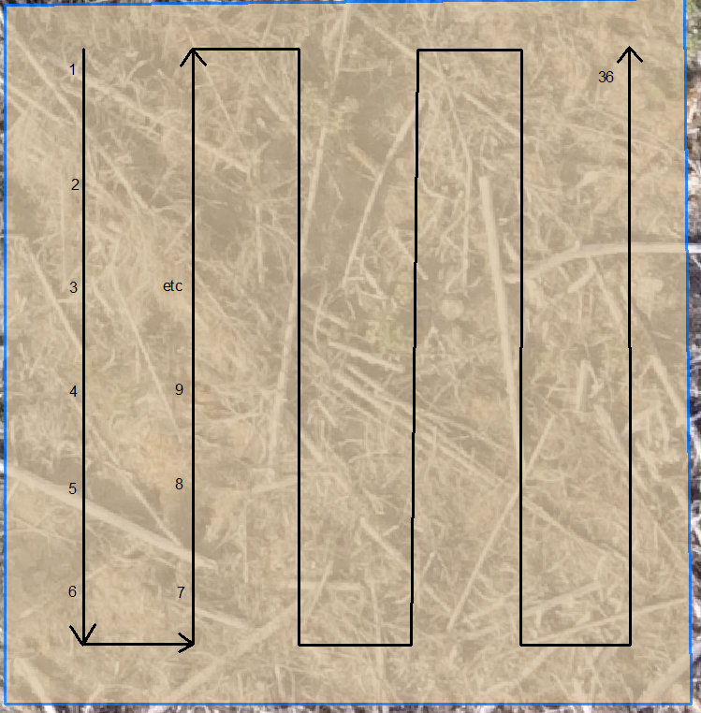
Good | Good | Fair | Poor | Fair | Fair | Good | Good | Fair | Good | Good | Poor | Good | Fair | Fair | Good | Good | Fair
Fair | Fair | Fair | Good | Fair | Fair | Good | Fair | Fair | Good | Fair | Fair | Fair | Good | Good | Fair | Fair | Good
Good | Good | Fair | Fair | Poor | Poor | Good | Fair | Fair | Good | Poor | Poor | Good | Good | Good | Good | Good | Good
 |  |  | Fair | Fair | Good | Good | Fair | Good | Fair | Fair | Good | Good | Good | Good
 |  |  | Good | Fair | Good | Fair | Fair | Good | Fair | Good | Good | Fair | Good | Good
 |  |  | Good | Fair | Good | Fair | Good | Fair | Good | Fair | Good | Good | Good | Good
 |  |  | Good | Fair | Good | Good | Good | Fair | Fair | Good | Poor | Good | Good | Fair
 |  |  | Good | Good | Fair | Fair | Poor | Good | Fair | Fair | Good | Good | Fair | Poor
 |  |  | Good | Good | Good | Fair | Fair | Good | Fair | Poor | Fair | Fair | Fair | Fair

